Sheet1
 |  | Document No. | Issue No. | Issue Date |  | Review and Replace Date |  | Authorised By
 |  | GFF003MC | 3 | 28.09.2018 |  | 09.12.2021
 |  | Document Title | VEGETABLE BALTI WITH PILAU RICE 400g
 |  |  |  |  |  |  |  | Magda Shah
Document amendments reason for change |  | Film Updated | Page 1 of 1 |  | Previous Issue Date |  | 23.09.2020 | Uncontrolled copy unless signed original

CVBAR-R4TEB | BOOTHS |  | VEGETABLE BALTI WITH PILAU RICE 400g
STEP 1 |  |  |  |  | STEP 2
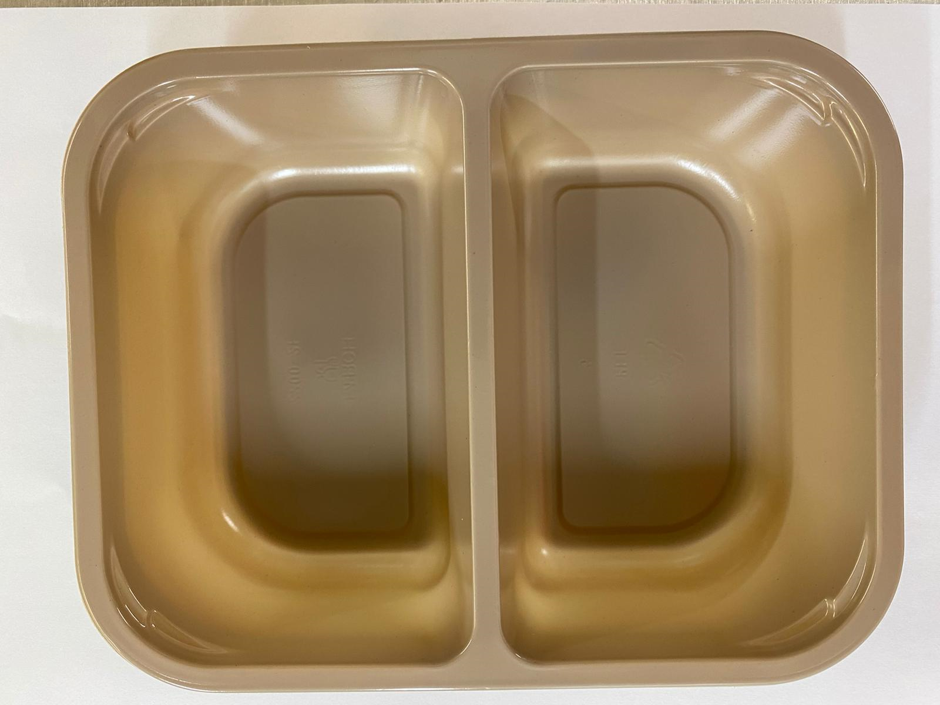 |  |  |  |  | 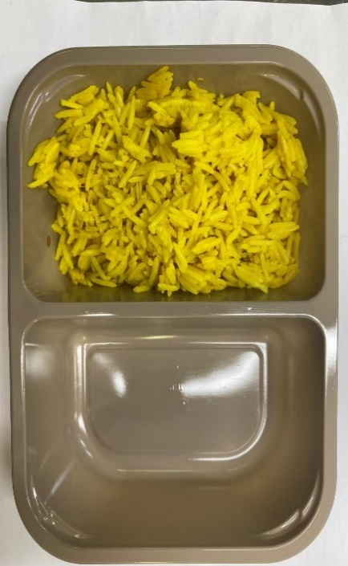

Tray: C 2200­-2F Evolve CPET(PKRHP001-10) |  |  |  |  | Pilau Rice (GFF143R): 160g

Film: K peel 7G+25A/f- 275mm (275 mmX1000) (PKKMP001-03)

STEP 3
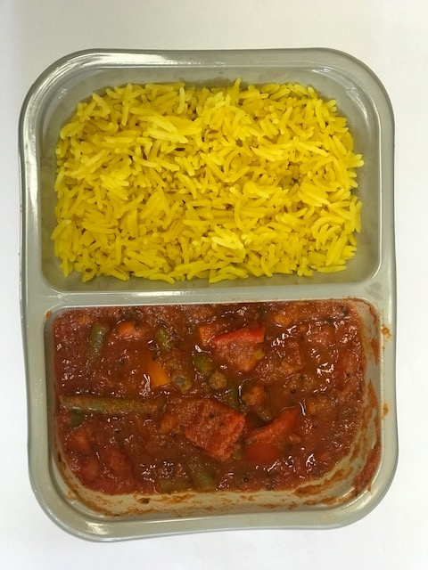

Vegetable Balti Sauce (GFF244R): 240g |  |  |  |  | TOTAL WEIGHT: 400G

ALLERGY ALERT: MUSTARD

